LIST
No | Categories | Name VNET | Part Number (VNET) | Part Number (Uni) | Description |  | Unit | % Hao hụt | Tồn kho VNET | Tồn kho (đang trên dg về or gia công chưa về ) |  | Tổng tồn | Sản xuất | E4G | MDVR | Order |  | LINK | HÌNH ẢNH
 |  |  |  |  |  |  |  |  |  | Chưa về | SMT

 |  |  |  |  | Viet Nam Electronics and Telecommunications Technology JSC
 |  |  |  |  |  |  |  |  |  |  |  |  | Tổng tồn kho: Kho VNET + Kho SMT
 |  |  |  |  | Add: ​233-234, Block C6, Dai Kim urban area, Dai Kim ward, Hoang Mai district, Ha Noi city.
 |  |  |  |  | Phone : +84 4 36400767 Fax: +84 4 36400767. |  |  |  |  |  |  |  | Sản xuất: Tổng linh kiện
 |  |  |  |  | Contact : info@vn-et.com
 |  |  |  |  | Website: http://www.vnetgps.vn |  |  |  |  |  |  |  | Linh kiện cần nhập thêm: Tổng tồn kho - sản xuất - % hao hụt (giá trị âm ô sẽ chuyển màu hồng)
Components
Update: 21/12/2020
No | Categories | Name VNET | Part Number (VNET) | Part Number (Uni) | Description | Brand | Unit | % Hao hụt | Tồn kho VNET | Tồn kho (đang trên dg về or gia công chưa về ) |  | Tổng tồn | Sản xuất | E4G | RV102 | Order
 |  |  |  |  |  |  |  |  |  | Chưa về | SMT

1 | Capacitor | VT_CAP_C0402 56pF | 56pF | CC0402JRNPO9BN560 | CAP CER 56PF 50V C0G/NPO 0402 | Yageo | pcs | 5% | 0 | 0 | 0 | 0 | 1500 | 1500 | 0 | -1575 | 1600
2 | Capacitor | VT_CAP_C0402 470pF | 470pF | CL05B471JB5NNNC | CAP CER 470PF 50V X7R 0402 | Samsung | pcs | 5% | 9850 | 0 | 0 | 9850 | 1500 | 1500 | 0 | 8275 | 0
3 | Capacitor | VT_CAP_C0402 4.7uF | 4.7uF | CC0402KRX5R5BB475 | CAP CER 4.7UF 6.3V X5R 0402 | Yageo | pcs | 5% | 0 | 0 | 0 | 0 | 1500 | 1500 | 0 | -1575 | 1600
4 | Capacitor | VT_CAP TAN 220uF 6.3V | 220uF/6.3V | T520B227M006ATE035 | CAP TANT POLY 220UF 6.3V 3528 | Kemet | pcs | 5% | 0 | 0 | 0 | 0 | 4500 | 4500 | 0 | -4725 | 5000
5 | Led | VT_LED_0603 BLUE | BLUE | QTLP601CEBTR | LED BLUE CLEAR 0603 SMD | Everlight | pcs | 5% | 3265 | 0 | 0 | 3265 | 1500 | 1500 | 0 | 1690 | 0
6 | Fuse | VT_Fuse_60V - 550mA | 60V-550mA | MF-SMDF050-2 | PTC Resettable Fuse 60V 550mA | Bourns Inc. | pcs | 5% | 0 | 0 | 0 | 0 | 1500 | 1500 | 0 | -1575 | 1600
7 | Inductor | VT_IND_33uH/1.5A | 33uH, 1.5A | SWPA6028S330MT | FIXED IND 33UH 1.5A 286 MOHM SMD | SunLord | pcs | 5% | 2000 | 0 | 0 | 2000 | 1500 | 1500 | 0 | 425 | 0
8 | Inductor | VT_IND_0402 6.8nH | 6.8nH | HK10056N8J-T | FIXED IND 6.8NH 430MA 250 MOHM | Taiyo Yuden | pcs | 5% | 0 | 0 | 0 | 0 | 1500 | 1500 | 0 | -1575 | 1600
9 | Inductor | VT_IND_0603 10nH | 10nH | HK160810NJ-T | FIXED IND 10NH 300MA 260 MOHM | Taiyo Yuden | pcs | 5% | 0 | 0 | 0 | 0 | 1500 | 1500 | 0 | -1575 | 1600
10 | Inductor | VT_IND_0805 10nH | 10nH | 74476010C | FIXED IND 10NH 600MA 120 MOHM | Wurth | pcs | 5% | 0 | 0 | 0 | 0 | 1500 | 1500 | 0 | -1575 | 1600
11 | Inductor | VT_IND_0805 15nH | 15nH | 74476015C | FIXED IND 56NH 500MA 340 MOHM | Wurth | pcs | 5% | 0 | 0 | 0 | 0 | 1500 | 1500 | 0 | -1575 | 1600
12 | Module | VT_Module_A7670e | A7670 | A7670E | Dual-Band HSPA/WCDMA and Dual-Band GSM/GPRS/EDGE module in a SMT | SIMCOM | pcs | 5% | 0 | 0 | 0 | 0 | 1570 | 1500 | 70 | -1648.5 | 1600
13 | Module | VT_Module_L76-L | L76-L | L76-L | L76-L the smallest GNSS modules | Quectel | pcs | 5% | 0 | 0 | 0 | 0 | 1570 | 1500 | 70 | -1648.5 | 1600
14 | mosfet | VT_MOSFET_IRLML6402TRPBF, [NoParam] | IRLML6402 | IRLML6402TRPBF | MOSFET P-CH 30V 3.6A SOT-23-3 | Infineon Technologies | pcs | 5% | 1849 | 0 | 0 | 1849 | 6000 | 6000 | 0 | -4451 | 4500
15 | Resistor | VT_RES_R0402 210K | 210K | RC0402FR-07210KL | RES SMD 210K OHM 1% 1/16W 0402 | Yageo | pcs | 5% | 0 | 0 | 0 | 0 | 6000 | 6000 | 0 | -6300 | 6300
16 | Resistor | VT_RES_R0402 470K | 470K | RC0402FR-07470KL | RC0402FR-07470KL | Yageo | pcs | 5% | 0 | 0 | 0 | 0 | 1500 | 1500 | 0 | -1575 | 1600
17 | IC | VT_IC_BQ21040 | BQ21040 | BQ21040DBVT | IC BAT CHG LI-ION 1 CELL SOT23-6 | TI | pcs | 5% | 2894 | 0 | 0 | 2894 | 1500 | 1500 | 0 | 1319 | 0
18 | IC | VT_IC_TLV73333 | TLV73333PDBVR | TLV73333PDBVR | IC REG LINEAR 3.3V 300MA SOT23-5 | TI | pcs | 5% | 778 | 0 | 0 | 778 | 1500 | 1500 | 0 | -797 | 800
19 | IC | VT_IC_STM32F091CCU6 | STM32F091CCU6 | STM32F091CCU6 | IC MCU 32BIT 256KB FLASH 48QFPN | ST | pcs | 5% | 0 | 0 | 0 | 0 | 1500 | 1500 | 0 | -1575 | 1600
20 | IC | VT_IC_MEM 8M 02 | Flash 64Mbit | S25FL164K0XMFI013 | IC FLASH 64MBIT CMOS SPI 8SOIC | Cypress | pcs | 5% | 0 | 0 | 0 | 0 | 1500 | 1500 | 0 | -1575 | 1600
21 | IC | VT_IC_SN74AUP1T334 | SN74AUP1T34D | SN74AUP1T34DCKR | IC TRNSLTR UNIDIRECTIONAL SC70-5 | TI | pcs | 5% | 0 | 0 | 0 | 0 | 4500 | 4500 | 0 | -4725 | 4800
22 | IC | VT_IC_MAX2659 | MAX2659 | MAX2659ELT+T | IC RF AMP GPS 1575.42MHZ 6UDFN | Maxim Integrated | pcs | 5% | 0 | 0 | 0 | 0 | 1500 | 1500 | 0 | -1575 | 1600
23 | IC | VT_IC_SAW F6QA1G | F6QA1G581M2QZ-J | F6QA1G581M2QZ-J | FILTER SAW 1.581GHZ 5SMD | Taiyo Yuden | pcs | 5% | 0 | 0 | 0 | 0 | 1500 | 1500 | 0 | -1575 | 1600
24 | IC | VT_IC_MAX3232IPW | MB3232I | MAX3232IPWR | IC DRVR/RCVR MLTCH RS232 16TSSOP | TI | pcs | 5% | 0 | 0 | 0 | 0 | 1570 | 1500 | 70 | -1649 | 1700
25 | Anttena | VT_ANT_GSM W3073 | W3073 | W3073 | RF ANT 850MHZ/900MHZ CHIP SLD | PulseLarsen Antennas | pcs | 5% | 0 | 0 | 12 | 12 | 1500 | 1500 | 0 | -1575 | 1600
26 | Anttena | VT_ANT GPS 18x18mm | 18x18x4 | A18-4135920-AMT04 | 18x18x4mm thick GPS Passive Antenna | Amotech | pcs | 5% | 0 | 0 | 0 | 0 | 1500 | 1500 | 0 | -1575 | 1600
27 | Crystal | VT_CRYSTAL_SMD 8M 3225 | 8MHz | TZ3313B | CRYSTAL 24.0000MHZ 10PF SMD | Taisaw | pcs | 5% | 0 | 0 | 1000 | 1000 | 1500 | 1500 | 0 | -1575 | 1600
28 | connector | VT_CONN_SIM MUP-C782 | Socket Nano SIM | MUP - C782 | Socket Nano Sim 7pin (6+1) | MUP | pcs | 5% | 0 | 0 | 0 | 0 | 1500 | 1500 | 0 | -1575 | 1600
29 | connector | VT_CONN_ 2P 1.25mm | 2P - 1.25mm | 532610271 | CONN HEADER SMD R/A 2POS 1.25MM | Molex | pcs | 5% | 0 | 0 | 0 | 0 | 1500 | 1500 | 0 | -1575 | 1600
30 | Capacitor | VT_CAP_C0402 10pF | 10pF | CC0402FRNPO9BN100 | CAP CER 10PF 50V C0G/NPO 0402 | Yageo | PCS | 5% | 9000 | 0 | 0 | 9000 | 280 | 0 | 280 | 8706 | 0
31 | Capacitor | VT_CAP_C0402 18pF | 18pF | CC0402FRNPO9BN180 | CAP CER 18PF 50V C0G/NPO 0402 | Yageo | PCS | 5% | 0 | 0 | 0 | 0 | 6070 | 6000 | 70 | (6,374) | 6400
32 | Capacitor | VT_CAP_C0402 36pF | 36pF | CC0402JRNPO9BN360 | CAP CER 36PF 50V C0G/NPO 0402 | Yageo | PCS | 5% | 0 | 0 | 0 | 0 | 1570 | 1500 | 70 | (1,649) | 1700
33 | Capacitor | VT_CAP_C0402 0.1uF | 0.1uF | CC0402KRX5R5BB104 | CAP CER 0.1UF 6.3V X5R 0402 | Yageo | PCS | 5% | 0 | 0 | 0 | 0 | 40270 | 36000 | 4270 | (42,284) | 42300
34 | Capacitor | VT_CAP_C0402 10uF | 10uF | GRM155C80J106ME11D | CAP CER 10UF 6.3V X6S 0402 | Murata Electronics | PCS | 5% | 0 | 0 | 0 | 0 | 4780 | 4500 | 280 | (5,019) | 5000
35 | Capacitor | VT_CAP_C0603 22uF | 22uF | GRM188R60J226MEA0J | CAP CER 22UF 6.3V X5R 0603 | Murata | PCS | 5% | 0 | 0 | 0 | 0 | 1120 | 0 | 1120 | (1,176) | 1200
36 | Capacitor | VT_CAP TAN 100uF 6.3V | 107B | T491B107K006AT | CAP TANT 100UF 6.3V 10% 1411 | Kemet | PCS | 5% | 3900 | 0 | 0 | 3900 | 1710 | 1500 | 210 | 2,105 | 0
37 | Capacitor | VT_CAP TAN 330uF 10V | 330uF/10V | TAJD337K010RNJ | CAP TANT 330UF 10V 10% 2917 | AVX | PCS | 5% | 267 | 0 | 0 | 267 | 70 | 0 | 70 | 194 | 0
38 | Capacitor | VT_CAP POL1000uF/6.3V | 1000uF/6.3V | CLA0915 | CAP POL 1000UF 20% 6.3V DIP | China | PCS | 5% | 0 | 0 | 0 | 0 | 70 | 0 | 70 | (74) | 8
39 | Capacitor | VT_CAP_C1210 3.3uF 100V | 3.3uF/100V | C3225X7S2A335M200AB | CAP CER 3.3UF 100V X7S 1210 | TDK Corporation | PCS | 5% | 2413 | 0 | 0 | 2413 | 1570 | 1500 | 70 | 765 | 0
40 | Diode | VT_DIODE_PMEG6020ER | 60V 2A | PMEG6020ER,115 | DIODE SCHOTTKY 60V 2A SOD123W | NXP | PCS | 5% | 2100 | 0 | 0 | 2100 | 6140 | 6000 | 140 | (4,347) | 4350
41 | Diode | VT_DIODE_B360A | SS34 | B360A-13-F | DIODE SCHOTTKY 60V 3A SMA | Diodes Incorporated | PCS | 5% | 0 | 0 | 0 | 0 | 140 | 0 | 140 | (147) | 0
42 | Diode | VT_DIODE_ SMCJ45A | SMCJ45A | SMCJ45A-E3/57T | TVS DIODE 45V 72.7V DO214AB | Vishay | PCS | 5% | 849 | 0 | 0 | 849 | 1570 | 1500 | 70 | (800) | 800
43 | Diode | VT_DIODE_ SMAJ5.0A | SMAJ5.0A | SMAJ5.0A | TVS DIODE 5VWM 9.2VC SMA | Littelfuse Inc. | PCS | 5% | 924 | 0 | 0 | 924 | 1570 | 1500 | 70 | (725) | 7300
44 | Diode | VT_DIODE_1N4148WS-7-F | NM | 1N4148WS-7-F | DIODE GEN PURP 75V 150MA SOD323 | DIODES | PCS | 5% | 2704 | 0 | 0 | 2704 | 3000 | 3000 | 0 | (446) | 4500
45 | Diode | VT_DIODE_1N4148W-7-F | 1N4148 | 1N4148W-7-F | DIODE GEN PURP 100V 300MA SOD123 | DIODES | PCS | 5% | 1112 | 0 | 0 | 1112 | 420 | 0 | 420 | 671 | 0
46 | Diode | VT_DIODE_ LXES15AAA1-153 | TVS 4V | LXES15AAA1-153 | TVS DIODE 4V 1005 | Murata Electronics | PCS | 5% | 0 | 0 | 0 | 0 | 140 | 0 | 140 | (147) | 150
47 | Led | VT_LED_0603 RED | RED | QTLP601CRTR | LED RED CLEAR 0603 SMD | Everlight | PCS | 5% | 5647 | 0 | 0 | 5647 | 1710 | 1500 | 210 | 3,852 | 0
48 | Led | VT_LED_3mm_2x3 GR | G/R | 5530121F | LED 2HI 3MM GREEN OVER RED PCMNT | Dialight | PCS | 5% | 0 | 0 | 0 | 0 | 140 | 0 | 140 | (147) | 150
49 | Fuse | VT_Fuse_60V - 1.1A | 60V-1.1A | 2920L110/60MR | PTC RESET FUSE 60V 1.1A 2920 | Littelfuse Inc. | PCS | 5% | 0 | 0 | 0 | 0 | 70 | 0 | 70 | (74) | 150
50 | Inductor | VT_IND_3225 1uH | 1uH | LQH32PN1R0NNCL | FIXED IND 1UH 2.5A 43.2 MOHM SMD | Murata | PCS | 5% | 0 | 0 | 0 | 0 | 1780 | 1500 | 280 | (1,869) | 1900
51 | Inductor | VT_IND_33uH/5A | 33uH/5A | ETQ-P5M330YFC | FIXED IND 33UH 5A 75.4 MOHM SMD | Panasonic Electronic Components | PCS | 5% | 0 | 0 | 0 | 0 | 70 | 0 | 70 | (74) | 80
52 | Inductor | VT_IND_0402 33R/3A | 33R/3A | BLM15PX330SN1D | FERRITE BEAD 33 OHM 0402 1LN | Murata Electronics | PCS | 5% | 0 | 0 | 0 | 0 | 3700 | 3000 | 700 | (3,885) | 3900
53 | Inductor | VT_IND_0402 27nH | 27nH | HK100527NJ-T | FIXED IND 27NH 300MA 700 MOHM | Taiyo Yuden | PCS | 5% | 0 | 0 | 0 | 0 | 1570 | 1500 | 70 | (1,649) | 1700
54 | Module | VT_Module_L76-L | L76-L | L76-L | L76 is series the smallest GNSS modules | SIMCOM | PCS | 5% | 0 | 0 | 0 | 0 | 70 | 0 | 70 | (74) | 80
55 | Module | VT_Module_A7670E | A7670 | A7670E | Dual-Band HSPA/WCDMA and Dual-Band GSM/GPRS/EDGE module in a SMT | Quectel | PCS | 5% | 0 | 0 | 0 | 0 | 70 | 0 | 70 | (74) | 80
56 | Mosdet | VT_MOSFET_IRLML6402TRPBF | IRLML6402 | IRLML6402TRPBF | MOSFET P-CH 30V 3.6A SOT-23-3 | Infineon Technologies | PCS | 5% | 1849 | 0 | 1000 | 2849 | 210 | 0 | 210 | 1,629 | 0
57 | Trasitor | VT_TRANSISTOR_J3S9013 | S9013 | S9013 | TRANS NPN 50V 0.15A | Fairchild | PCS | 5% | 814 | 0 | 0 | 814 | 350 | 0 | 350 | 447 | 0
58 | Trasitor | VT_TRANSISTOR_DTC143Z | DTC143Z | DTC143ZKAT146 | TRANS PREBIAS NPN 200MW SMT3 | Rohm | PCS | 5% | 0 | 0 | 700 | 700 | 7850 | 7500 | 350 | (8,243) | 8300
59 | Trasitor | VT_TRANSISTOR_KST42 | KST42_NM | KST42MTF | TRANS NPN 300V 0.5A SOT23 | Fairchild | PCS | 5% | 2400 | 0 | 0 | 2400 | 3070 | 3000 | 70 | (824) | 830
60 | Resistor | VT_RES_R0402 0R | 0R | RC0402FR-070RL | RES SMD 0 OHM JUMPER 1/16W 0402 | Yageo | PCS | 5% | 0 | 0 | 0 | 0 | 5550 | 4500 | 1050 | (5,828) | 6000
61 | Resistor | VT_RES_R0402 22R | 22R | RC0402FR-0722RL | RES SMD 22 OHM 1% 1/16W 0402 | Yageo | PCS | 5% | 9401 | 0 | 0 | 9401 | 11270 | 10500 | 770 | (2,433) | 2500
62 | Resistor | VT_RES_R0402 24.9R | 24.9R | RC0402FR-0724R9L | RES SMD 24.9 OHM 1% 1/16W 0402 | Yageo | PCS | 5% | 0 | 0 | 0 | 0 | 770 | 0 | 770 | (809) | 800
63 | Resistor | VT_RES_R0402 10R | 10R | RC0402FR-0710RL | RES SMD 10 OHM 1% 1/16W 0402 | Yageo | PCS | 5% | 0 | 0 | 0 | 0 | 1570 | 1500 | 70 | (1,649) | 1700
64 | Resistor | VT_RES_R0402 75R | 75R | RC0402FR-0775RL | RES SMD 75 OHM 1% 1/16W 0402 | Yageo | PCS | 5% | 0 | 0 | 0 | 0 | 490 | 0 | 490 | (515) | 500
65 | Resistor | VT_RES_R0402 649R | 649R | RC0402FR-07649RL | RES SMD 649 OHM 1% 1/16W 0402 | Yageo | PCS | 5% | 0 | 0 | 0 | 0 | 70 | 0 | 70 | 70 | 0
66 | Resistor | VT_RES_R0402 1K | 1K | RC0402FR-071KL | RES SMD 1K OHM 1% 1/16W 0402 | Yageo | PCS | 5% | 9000 | 0 | 0 | 9000 | 11760 | 10500 | 1260 | (3,348) | 3350
67 | Resistor | VT_RES_R0402 2.2K | 2.2K | RC0402FR-072K2L | RES SMD 2.2K OHM 1% 1/16W 0402 | Yageo | PCS | 5% | 8800 | 0 | 0 | 8800 | 70 | 0 | 70 | 8,727 | 0
68 | Resistor | VT_RES_R0402 3K | 3K | RC0402FR-073KL | RES SMD 3K OHM 1% 1/16W 0402 | Yageo | PCS | 5% | 0 | 0 | 0 | 0 | 280 | 0 | 280 | (294) | 300
69 | Resistor | VT_RES_R0402 3.3K | 3.3K | RC0402FR-073K3L | RES SMD 3.3K OHM 1% 1/16W 0402 | Yageo | PCS | 5% | 9600 | 0 | 0 | 9600 | 210 | 0 | 210 | 9,380 | 0
70 | Resistor | VT_RES_R0402 5.6K | 5.6K | RC0402FR-075K6L | RES SMD 5.6K OHM 1% 1/16W 0402 | Yageo | PCS | 5% | 9400 | 0 | 0 | 9400 | 3210 | 3000 | 210 | 6,030 | 0
71 | Resistor | VT_RES_R0402 10K | 10K | RC0402FR-0710KL | RES SMD 10K OHM 1% 1/16W 0402 | Yageo | PCS | 5% | 7600 | 0 | 0 | 7600 | 23170 | 21000 | 2170 | (16,729) | 17000
72 | Resistor | VT_RES_R0402 20K | 20K | RC0402FR-0720KL | RES SMD 20K OHM 1% 1/16W 0402 | Yageo | PCS | 5% | 0 | 0 | 0 | 0 | 280 | 0 | 280 | (294) | 300
73 | Resistor | VT_RES_R0402 27K | 27k | RC0402FR-0727KL | RES SMD 27K OHM 1% 1/16W 0402 | Yageo | PCS | 5% | 0 | 0 | 0 | 0 | 140 | 0 | 140 | (147) | 1500
74 | Resistor | VT_RES_R0402 34.8K | 34.8K | RC0402FR-0734K8L | RES SMD 34.8K OHM 1% 1/16W 0402 | Yageo | PCS | 5% | 0 | 0 | 0 | 0 | 70 | 0 | 70 | (74) | 80
75 | Resistor | VT_RES_R0402 47K | 47K | RC0402FR-0747KL | RES SMD 47K OHM 1% 1/16W 0402 | Yageo | PCS | 5% | 0 | 0 | 0 | 0 | 140 | 0 | 140 | (147) | 150
76 | Resistor | VT_RES_R0402 113K | 113K | RC0402FR-07113KL | RES SMD 113K OHM 1% 1/16W 0402 | Yageo | PCS | 5% | 9200 | 0 | 0 | 9200 | 70 | 0 | 70 | 9,127 | 0
77 | Resistor | VT_RES_R0402 200K | 200K | RC0402FR-07200KL | RES SMD 200K OHM 1% 1/16W 0402 | Yageo | PCS | 5% | 9600 | 0 | 0 | 9600 | 700 | 0 | 700 | 8,865 | 0
78 | Resistor | VT_RES_R0402 255K | 255K | RC0402FR-07255KL | RES SMD 255K OHM 1% 1/16W 0402 | Yageo | PCS | 5% | 0 | 0 | 0 | 0 | 70 | 0 | 70 | 80 | 0
79 | Resistor | VT_RES_R0402 510K | 510K | RC0402FR-07510KL | RES SMD 510K OHM 1% 1/16W 0402 | Yageo | PCS | 5% | 9600 | 0 | 0 | 9600 | 70 | 0 | 70 | 9,527 | 0
80 | Resistor | VT_RES_R0402 1M | 1M | RC0402FR-071ML | RES SMD 1M OHM 1% 1/16W 0402 | Yageo | PCS | 5% | 0 | 0 | 0 | 0 | 9420 | 9000 | 420 | (9,891) | 10000
81 | Switch | VT_SWITCH_DSHP01 | DHN-01 | DSHP01TSGER | Switch 1Bit | kingtek-switch | PCS | 5% | 0 | 0 | 0 | 0 | 70 | 0 | 70 | (74) | 80
82 |  | VT_SWITCH_ 3x6x2.5 | SMD | 3x6x2.5mm | Switch SMD 3x6x2.5mm | China | PCS | 5% | 0 | 0 | 0 | 0 | 70 | 0 | 70 | (74) | 80
83 | IC | VT_IC_MP9486A | MP9486A | MP9486AGN-Z | IC REG 100V INPT 3.5A SWITCH CUR | MPS | PCS | 5% | 2494 | 0 | 0 | 2494 | 1570 | 1500 | 70 | 846 | 0
84 | IC | VT_IC_MP2153 | MP2153GTF-Z | MP2153GTF-Z | IC REG 2.5-5.5V 3A SYNCH 1.1MHZ | MPS | PCS | 5% | 0 | 0 | 0 | 0 | 210 | 0 | 210 | (221) | 220
85 | Module | VT_Module RP6Q | RP6Q | RP6Q | SoM imx6Q core board | RongPin | PCS | 5% | 0 | 0 | 0 | 0 | 70 | 0 | 70 | 70 | 0
86 | IC | VT_IC_TXS0104EPWR | TXS0104 | TXS0104EPWR | IC TRNSLTR BIDIRECTIONAL 14TSSOP | TI | PCS | 5% | 0 | 0 | 0 | 0 | 70 | 0 | 70 | (74) | 80
87 | IC | VT_IC_CY7C65634-28LTXC | CY7C65634-28LTXC | CY7C65632-28LTXCT | IC USB HUB CTRLR 2PORT LP 28QFN | Cypress Semiconductor Corp | PCS | 5% | 0 | 0 | 0 | 0 | 70 | 0 | 70 | (74) | 80
88 | IC | VT_IC_TP2854 | TP2854LA | TP2854LA | IC VIDEO DECODER SD/HD 68-QFN | TechPoint | PCS | 5% | 2 | 0 | 0 | 2 | 70 | 0 | 70 | (72) | 80
89 | IC | VT_IC_LIS3DSH | LIS3DSHTR | LIS3DSHTR | ACCEL 2-16G I2C/SPI 16LGA | ST | PCS | 5% | 1397 | 0 | 2000 | 3397 | 1570 | 1500 | 70 | (252) | 250
90 | Diode | VT_DIODE_SMF05CT1G | SMF05CT1G | SMF05CT1G | TVS DIODE 5VWM 12.5VC SC88 | ON Semiconductor | PCS | 5% | 0 | 0 | 0 | 0 | 70 | 0 | 70 | (74) | 80
91 | IC | VT_IC_TPS2069 | TPS2069CDBVR | TPS2069CDBVR | IC PWR SWITCH N-CHAN 1:1 SOT23-5 | TI | PCS | 5% | 0 | 0 | 0 | 0 | 70 | 0 | 70 | (74) | 80
92 | IC | VT_IC_TPD12S521DBTR | TPD12S521DB | TPD12S521DBTR | IC INTERFACE SPECIALIZED 38TSSOP | TI | PCS | 5% | 0 | 0 | 0 | 0 | 70 | 0 | 70 | (74) | 80
93 | Connector | VT_CONN_USB A SMD R/A | USB-A1SSW6 | USB-A1SSW6 | CONN RCPT USB2.0 TYPEA 4POS R/A | On Shore Technology Inc. | PCS | 5% | 0 | 0 | 0 | 0 | 70 | 0 | 70 | (74) | 80
94 | Crystal | VT_CRYSTAL_SMD 12M 3225 | 12MHz | ECS-120-12-33-AGN-TR | CRYSTAL 12MHZ 12PF SMD | ECS Inc. | PCS | 5% | 0 | 0 | 0 | 0 | 70 | 0 | 70 | (74) | 80
95 | Crystal | VT_CRYSTAL_27MHz 3225 | 27MHz | FA-238 27.0000MA30X-AG5 | CRYSTAL 27.0000MHZ 7PF SMD | Epson | PCS | 5% | 0 | 0 | 0 | 0 | 70 | 0 | 70 | (74) | 80
96 | Connector | VT_CONN_ MX2.5 2*4P | 1054051108 | 1054051108 | CONN HEADER SMD R/A 8POS 2.5MM | Molex | PCS | 5% | 0 | 0 | 0 | 0 | 70 | 0 | 70 | (74) | 80
97 | Connector | VT_CONN_MK5P SMD | Micro USB SMD | 0473460001 | MicroUSB-B-SMT | Molex | PCS | 5% | 1 | 0 | 0 | 1 | 70 | 0 | 70 | (73) | 80
98 | Connector | VT_CONN_BNC-KWE | BNC-KWE | BNC-KWE-Q9 | CONN BNC JACK R/A 50 OHM PCB | China | PCS | 5% | 0 | 0 | 0 | 0 | 280 | 0 | 280 | (294) | 300
99 | Connector | VT_CONN_SMA-KWE-11 | SMA-KWE-11 | SMA-KWE-11 | SMA R/A, Length 17mm | Jinchang | PCS | 5% | 0 | 0 | 0 | 0 | 140 | 0 | 140 | (147) | 150
100 | Connector | VT_CONN_Micro SIM 2 | MUP-C792 | MUP-C792-3 | Socket Micro Sim 6pin (6+1) | MUP | PCS | 5% | 0 | 0 | 0 | 0 | 70 | 0 | 70 | (74) | 80
101 | Connector | VT_CONN_MUP-M614 | Micro SD Card | MUP-M614 | Socket Micro SD Card | MUP | PCS | 5% | 0 | 0 | 0 | 0 | 70 | 0 | 70 | (74) | 80
102 | Connector | VT_CONN_HDMI MINI TE | HDMI MINI | 2013978-2 | CONN RCPT MINI HDMI 19POS SMD RA | TE | PCS | 5% | 0 | 0 | 0 | 0 | 70 | 0 | 70 | (74) | 80 | https://www.digikey.com/en/products/detail/te-connectivity-amp-connectors/2013978-2/4022373?s=N4IgTCBcDa4AwEYDMBOA7ADgLQQLoF8g
103 | Buzzer | VT_Buzzer 3V 9mm | 3V 9mm | TMB09A03 | Buzzer 9*6mm (D*h) | China | PCS | 5% | 1000 | 0 | 0 | 1000 | 70 | 0 | 70 | 927 | 0
104 | PCB | VT_PCB VR102 |  |  | FR4 - 4layer 120x76mm | 0 | PCS | 5% | 0 | 0 | 0 | 0 | 70 | 0 | 70 | (74) | 80
105 | ANTTENNA | HH_ANT_4G 2.4m |  |  | Antenna 4G-LTE external length 2.4m | 0 | PCS | 5% | 0 | 0 | 0 | 0 | 70 | 0 | 70 | (74) | 80 |  | 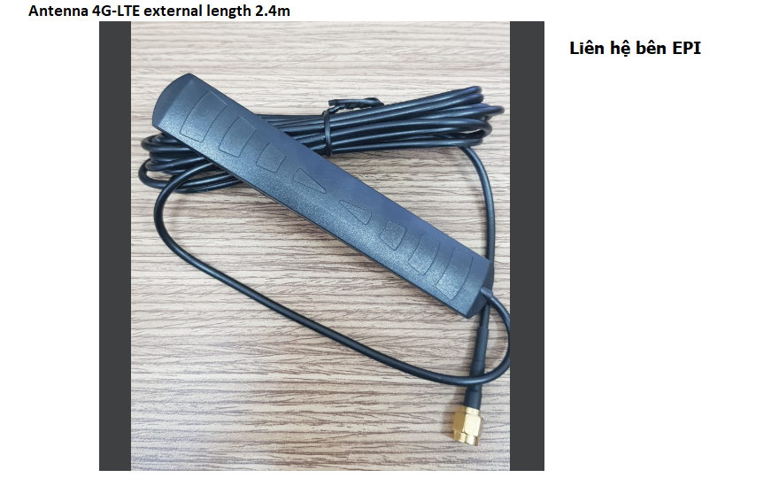
106 | ANTTENNA | HH_ANT_GPS 2.4m |  |  | Antenna GPS active length 2.4m | 0 | PCS | 5% | 0 | 0 | 0 | 0 | 70 | 0 | 70 | (74) | 80 |  | 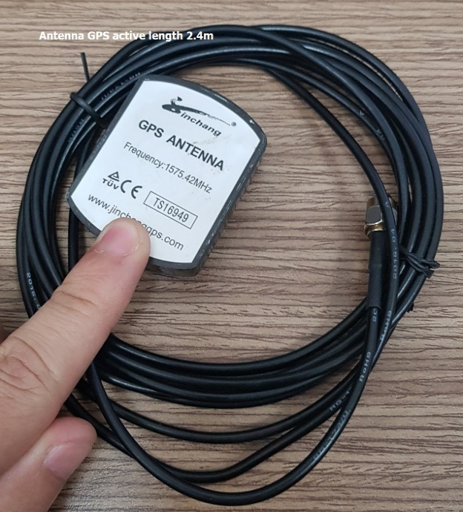
107 | Module | HH_MODULE_BALUN | Balun |  | Balun for camera analog | China | PCS | 5% | 0 | 0 | 0 | 0 | 560 | 0 | 560 | (588) | 600 | https://www.lazada.vn/products/bo-2-balun-chuyen-doi-tin-hieu-cho-camera-i225764223-s285190973.html?exlaz=d_1:mm_150050845_51350205_2010350205::12:1497503216!59440595164!!!pla-293946777986!c!293946777986!285190973!122408612&gclid=CjwKCAiA8ov_BRAoEiwAOZogwSc1Z3NDCOoJpn9Bc9mUPtsT-3bm6sXgB-T_mSFfFHR-ZkSU9itMoxoCfo0QAvD_BwE
108 | Heatsink | VT_HEATSINK_NB |  |  | Northbridge Chipset 38*10*38mm | China | PCS | 5% | 0 | 0 | 0 | 0 | 70 | 0 | 70 | (74) | 80 | https://shopee.vn/T%E1%BA%A3n-nhi%E1%BB%87t-cho-b%E1%BB%99-t%E1%BA%A3n-nhi%E1%BB%87t-Northbridge-Chipset-i.135041292.2181653469
109 | Heatsink | VT_HEATSINK_SN10*10 |  |  | Tấm tản nhiệt silicone 10*10mm | China | PCS | 5% | 0 | 0 | 0 | 0 | 70 | 0 | 70 | (74) | 80 | https://shopee.vn/B%E1%BB%99-100-t%E1%BA%A5m-t%E1%BA%A3n-nhi%E1%BB%87t-b%E1%BA%B1ng-silicon-k%C3%ADch-th%C6%B0%E1%BB%9Bc-10x10x0.5mm-cho-GPU-VGA-IC-i.164936223.2730050325
110 | USB | VT_USB_AUDIO |  |  | USB Audio | China | PCS | 5% | 0 | 0 | 0 | 0 | 70 | 0 | 70 | (74) | 80 | https://shopee.vn/%C4%90%E1%BA%A7u-USB-Sound-Card-7.1-v%E1%BB%8F-nh%C3%B4m-cao-c%E1%BA%A5p-%C3%A2m-thanh-3D-i.11748615.6734752714
111 | Microphone | VT_MICROPHONE |  |  | Microphone kéo dài dạng jack 3.5 3 ngấn 2m | China | PCS | 5% | 0 | 0 | 0 | 0 | 70 | 0 | 70 | (74) | 80 | https://shopee.vn/Micro-c%C3%B3-k%E1%BA%B9p-jack-3.5mm-r%E1%BA%A3nh-tay-%C4%91a-n%C4%83ng-ti%E1%BB%87n-d%E1%BB%A5ng-i.131414482.2002830557 | 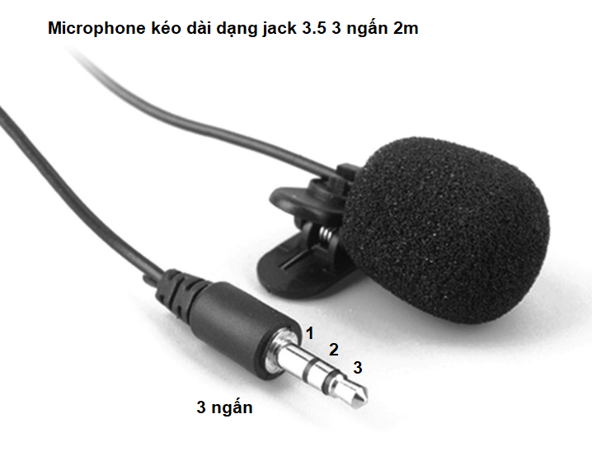
112 | Vỏ hộp | VT_Vỏ hộp_BA3 |  |  |  | 0 | PCS | 5% | 0 | 0 | 0 | 0 | 70 | 0 | 70 | (74) | 80 |  | 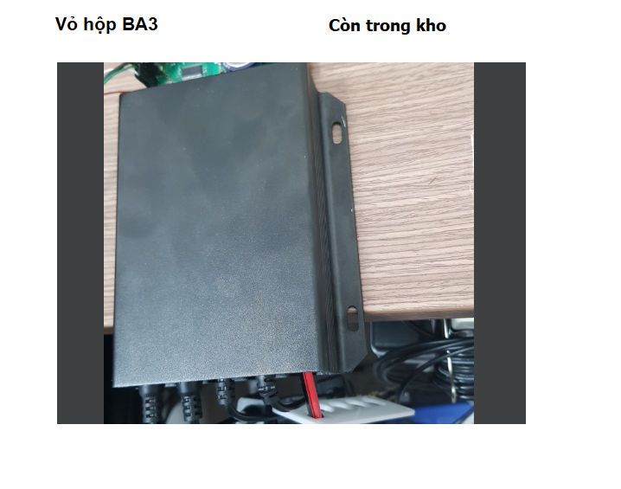
113 | Bó dây | HH_Bó dây_VR102 |  |  |  | 0 | PCS | 5% | 0 | 0 | 0 | 0 | 70 | 0 | 70 | (74) | 80
114 | Phụ Kiện | VT_phụ kiện_Túi nilon chống sốc |  |  |  | 0 | PCS | 5% | 0 | 0 | 0 | 0 | 70 | 0 | 70 | (74) | 80
115 | Decal | VT_DECAL_VR102 |  |  |  | 0 | PCS | 5% | 0 | 0 | 0 | 0 | 70 | 0 | 70 | (74) | 80
116 | Phụ kiện | VT_phụ kiện_IMEI VR102 |  |  |  | 0 | PCS | 5% | 0 | 0 | 0 | 0 | 70 | 0 | 70 | (74) | 80
117 | Phụ kiện | HH_PHỤ KIỆN_RFID Card |  |  |  | 0 | PCS | 5% | 6231 | 0 | 0 | 6231 | 140 | 0 | 140 | 6,084 | 0
118 | Cammera | HH_CAMERA_HKHDTVI720P |  | DS-2CE56C0T-IRP | Camera HDTVI HIKVISION DS-2CE56C0T-IRP | Hikvision | PCS | 5% | 0 | 0 | 0 | 0 | 280 | 0 | 280 | (294) | 300 | https://vuhoangtelecom.vn/san-pham/camera-hd-tvi-hikvision-ds-2ce56c0t-irp/
119 |  | VT_CONN_MMX2.5 2*4P | 1053081208 | 1053081208 | CONN HEADER SMD R/A 8POS 2.5MM | #N/A | PCS | 5% | 0 | 0 | 0 | 0 | 70 | 0 | 70 | (74) | 80 | https://www.digikey.com/en/products/detail/molex/1053081208/6131606
120 |  | VT_CONN_CRIMP24.26 | 1053001200 | 1053001200 |  | #N/A | PCS | 5% | 0 | 0 | 0 | 0 | 70 | 0 | 70 | (74) | 80 | https://www.digikey.com/en/products/detail/molex/1053001200/6131598
HH_Bó dây_VR102
121 |  | VT_WIRE_24AWG_BLACK | 24AWG_BLACK | GND | Nối đất |  | Mét | 5% | 0 | 0 | 0 | 0 | 70 | 0 | 70 | (74) | 80
122 |  | VT_WIRE_24AWG_RED | 24AWG_RED | VIN | Điện áp vào chính |  | Mét | 5% | 0 | 0 | 0 | 0 | 70 | 0 | 70 | (74) | 80
123 |  | VT_WIRE_24AWG_WHITE | 24AWG_WHITE | ALT |  |  | Mét | 5% | 0 | 0 | 0 | 0 | 70 | 0 | 70 | (74) | 80
124 |  | VT_WIRE_24AWG_YELLOW | 24AWG_YELLOW | ACC IN | Nối sau khoá |  | Mét | 5% | 0 | 0 | 0 | 0 | 70 | 0 | 70 | (74) | 80
125 |  | VT_WIRE_24AWG_GREEN | 24AWG_GREEN | RX2 |  |  | Mét | 5% | 0 | 0 | 0 | 0 | 70 | 0 | 70 | (74) | 80
126 |  | VT_WIRE_24AWG_BLUE | 24AWG_BLUE | AIR |  |  | Mét | 5% | 0 | 0 | 0 | 0 | 70 | 0 | 70 | (74) | 80
127 |  | VT_WIRE_24AWG_PURPLE | 24AWG_PURPLE | TX2 |  |  | Mét | 5% | 0 | 0 | 0 | 0 | 70 | 0 | 70 | (74) | 80
128 |  | VT_WIRE_24AWG_BLACK | 24AWG_BLACK | GND | Nối đất |  | Mét | 5% | 0 | 0 | 0 | 0 | 70 | 0 | 70 | (74) | 80
 |  |  |  |  | Tổng : |  |  |  | 147,941 | - | 4,712 | 152,653 | 226,790 | 202,500 | 24,290 | (89,748)

